assignment1
Assignment 1: | Insert two suppliers in suppliers table

Query: | INSERT INTO suppliers(SupplierID,CompanyName,ContactName,ContactTitle,Address,City,Region,PostalCode,Country,Phone,Fax,HomePage) VALUES(1001,'DanMachi Studio ','Light Yagami','Manager','Osaka Street','Osaka','Continental','48102','Japan','(06) 131-7888','(06)232-6255', 'danmachistudio.jp'), (1002,'Anime Studio ','Yuri Boyka','Marketing Manager','Tokyo Street','Tokyo','Continental','48103','Japan','(06) 131-2888','(06)132-3255', 'animestudio.jp');

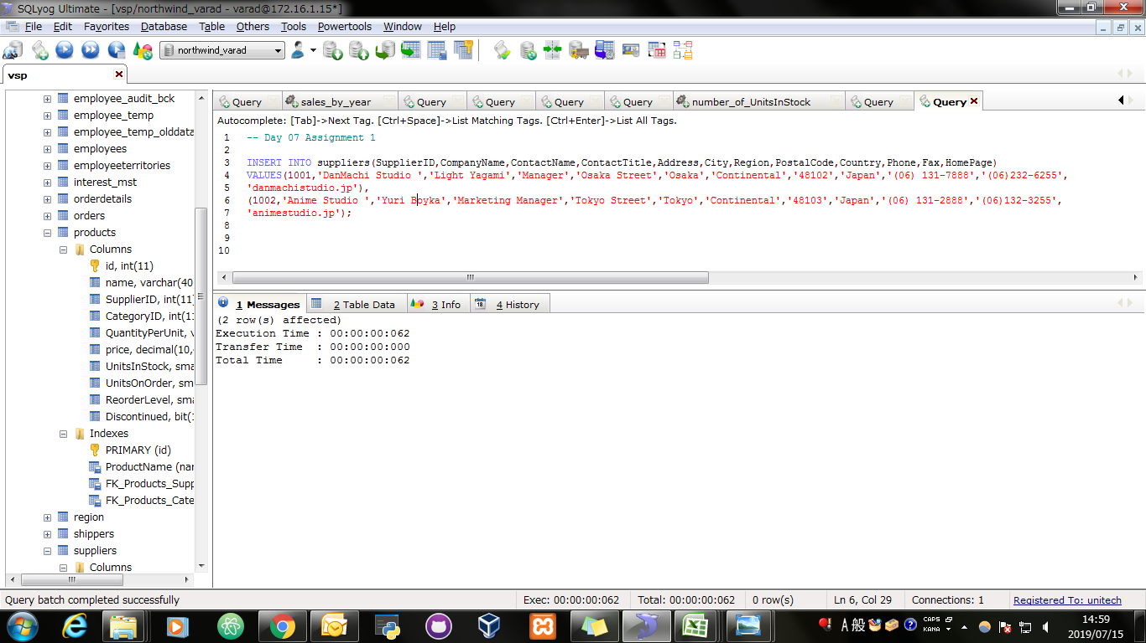
Screen Shoot:

Query: | SELECT * FROM suppliers AS S WHERE S.supplierID IN (1001,1002);

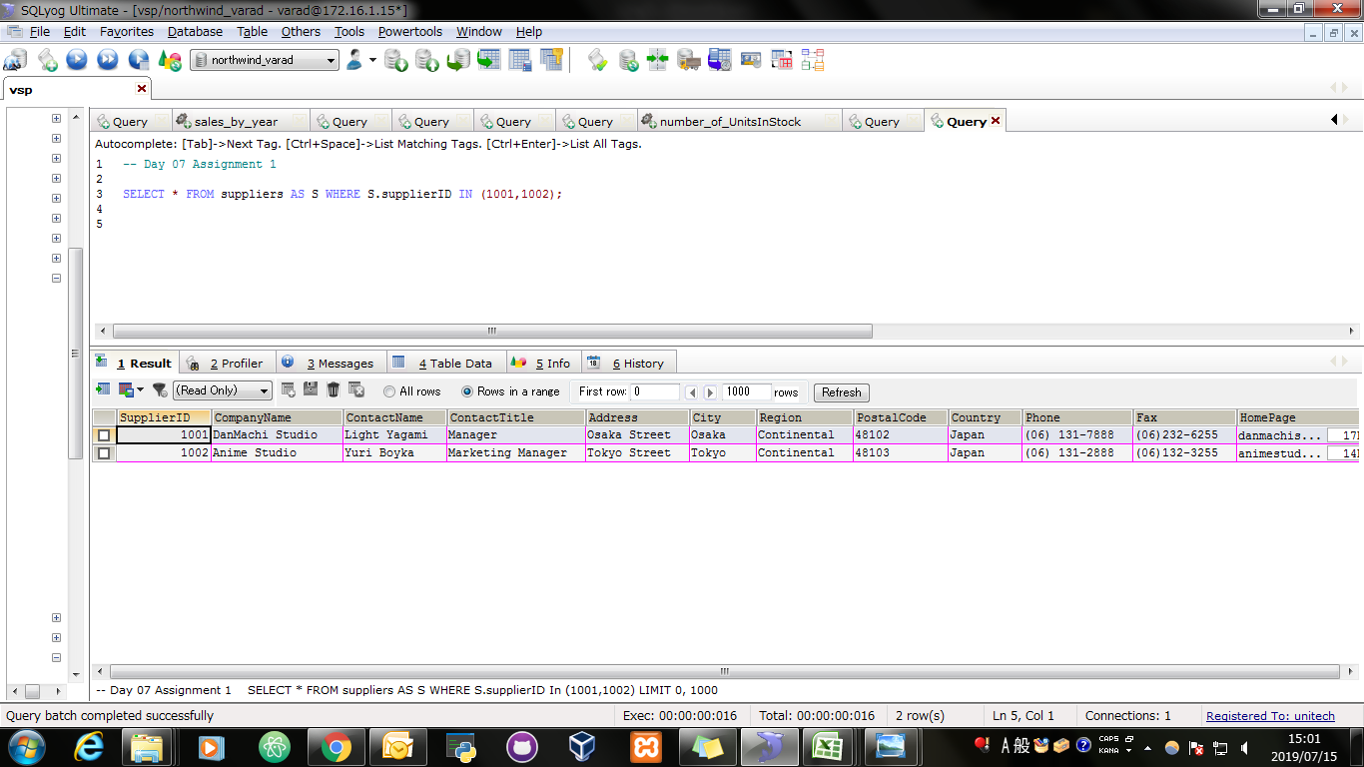
Screen Shoot:

assignment2
Assignment 2: | Insert product in products table for specific suppliers

Query: | INSERT INTO products(id,NAME,SupplierID,CategoryID,QuantityPerUnit,price,UnitsInStock,UnitsOnOrder,ReorderLevel,Discontinued) VALUES (100,'Manga',1000,4,'30 Pages',100.0000,24,23,10,FALSE), (101,'Anime Manga',1001,5,'60 Pages',200.0000,27,22,11,FALSE);

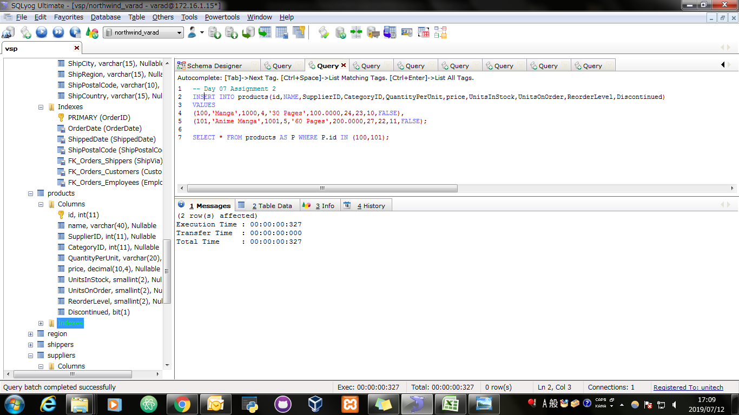
Screen Shoot:

Query: | SELECT * FROM products AS P WHERE P.id IN (100,101);

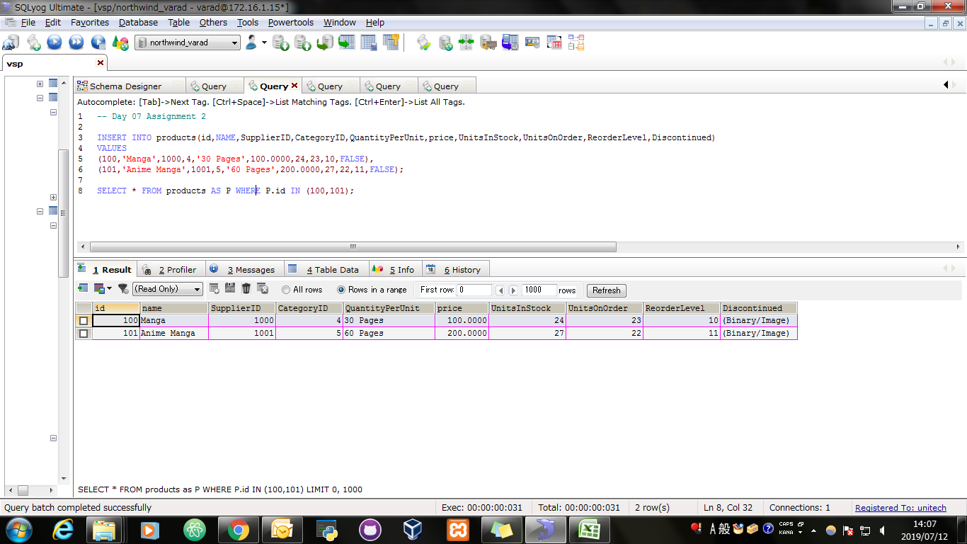
Screen Shoot:

assignment3
Assignment 3: | Place orders for one supplier's products.

Query: | INSERT INTO orders(OrderID,CustomerID,EmployeeID,OrderDate,RequiredDate,ShippedDate,ShipVia,Freight,ShipName,ShipAddress,ShipCity,ShipRegion,ShipPostalCode,ShipCountry) VALUES(11769,'WOLZA',6,'2010-02-02 00:00:00','2010-02-04 00:00:00','1996-07-16 00:00:00',2,40.0000,'MNP2','Tokyo Japan','Tokyo','Kyoto','41100','Japan');

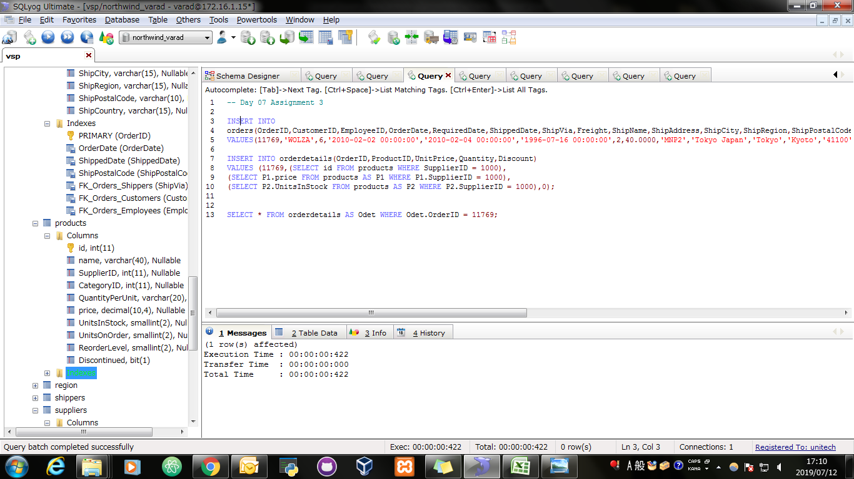
Screen Shoot:

Query: | INSERT INTO orderdetails(OrderID,ProductID,UnitPrice,Quantity,Discount) VALUES (11769,(SELECT id FROM products WHERE SupplierID = 1000), (SELECT P1.price FROM products AS P1 WHERE P1.SupplierID = 1000), (SELECT P2.UnitsInStock FROM products AS P2 WHERE P2.SupplierID = 1000),0);

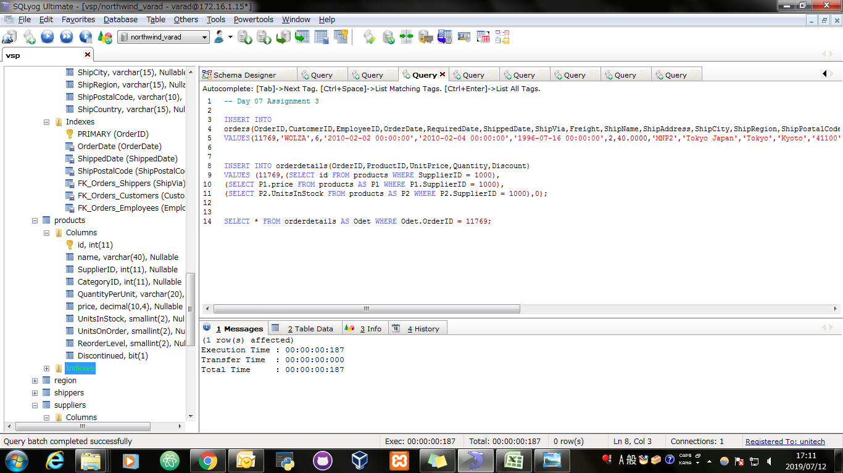
Screen Shoot:

Query: | SELECT * FROM orderdetails AS Odet WHERE Odet.OrderID = 11769;

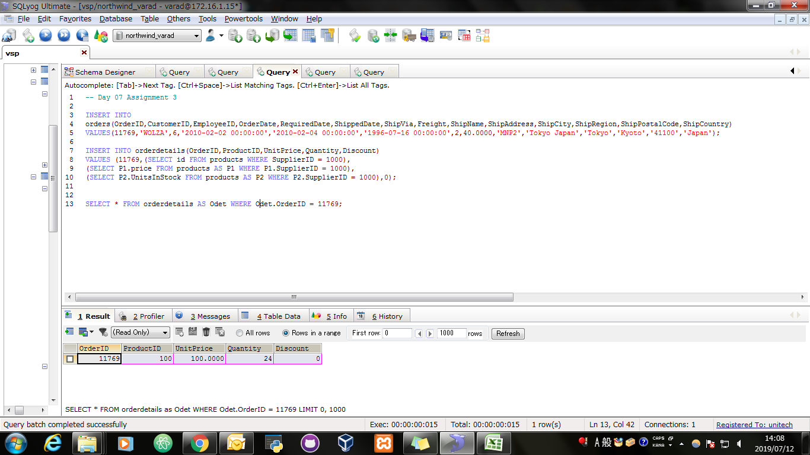
Screen Shoot:

assignment4
Assignment 4: | Update employeeID of orders table for spcific supplier's one product

Query: | UPDATE orders AS O INNER JOIN orderdetails AS odet ON O.OrderID = odet.OrderID INNER JOIN Products AS P ON odet.ProductID = P.id SET O.EmployeeID = 101 WHERE P.SupplierID = 1000;

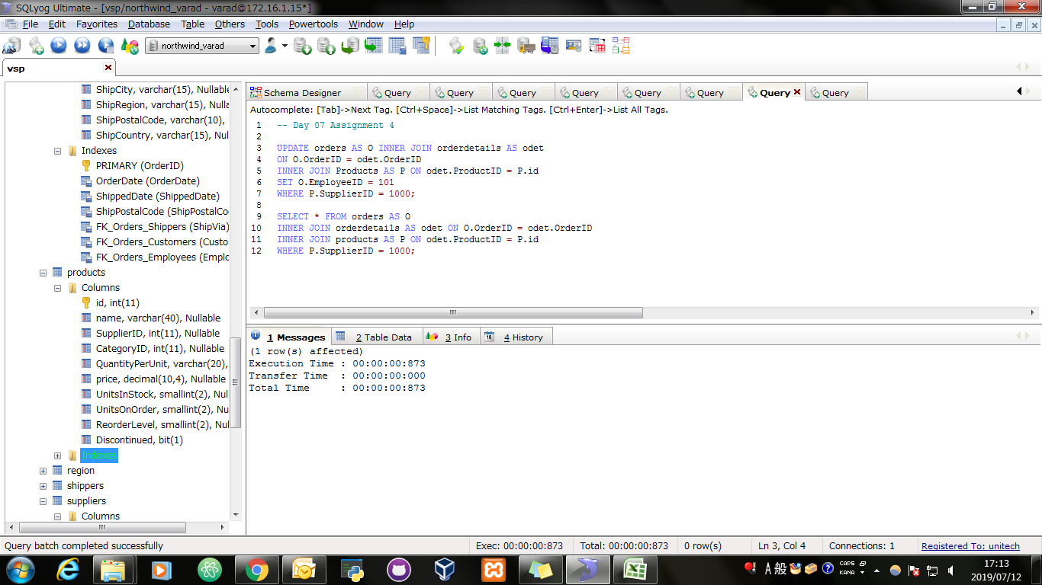
Screen Shoot:

Query: | SELECT * FROM orders AS O INNER JOIN orderdetails AS odet ON O.OrderID = odet.OrderID INNER JOIN products AS P ON odet.ProductID = P.id WHERE P.SupplierID = 1000;

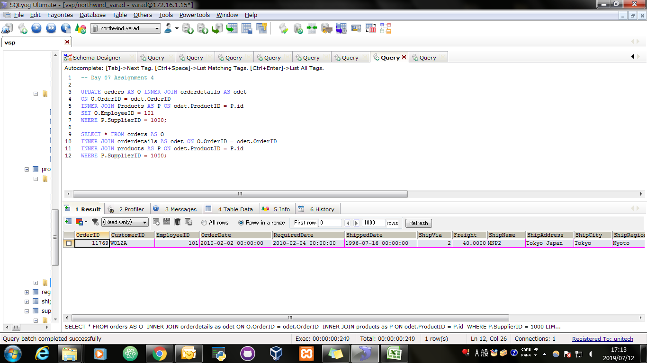
Screen Shoot:

assignment5
Assignment 5: | Update discount in order for spcific supplier's one product who placed order in january, 2010

Query: | UPDATE orders AS O INNER JOIN orderdetails AS odet ON O.OrderID = odet.OrderID INNER JOIN Products AS P ON odet.ProductID = P.id SET odet.Discount = 39 WHERE P.SupplierID = 1000 AND YEAR(O.OrderDate)=2010 AND MONTH(O.OrderDate)=01;

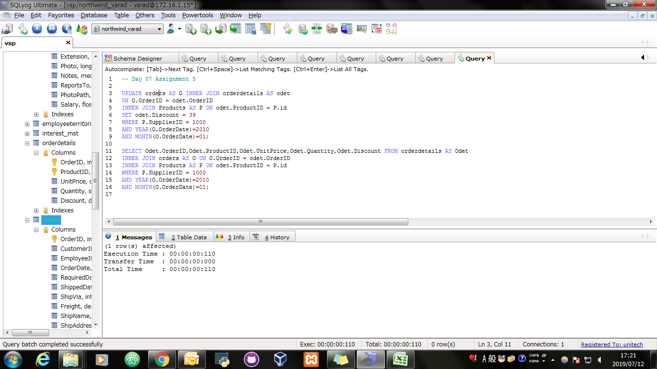
Screen Shoot:

Query: | SELECT Odet.OrderID,Odet.ProductID,Odet.UnitPrice,Odet.Quantity,Odet.Discount FROM orderdetails AS Odet INNER JOIN orders AS O ON O.OrderID = odet.OrderID INNER JOIN Products AS P ON odet.ProductID = P.id WHERE P.SupplierID = 1000 AND YEAR(O.OrderDate)=2010 AND MONTH(O.OrderDate)=01;

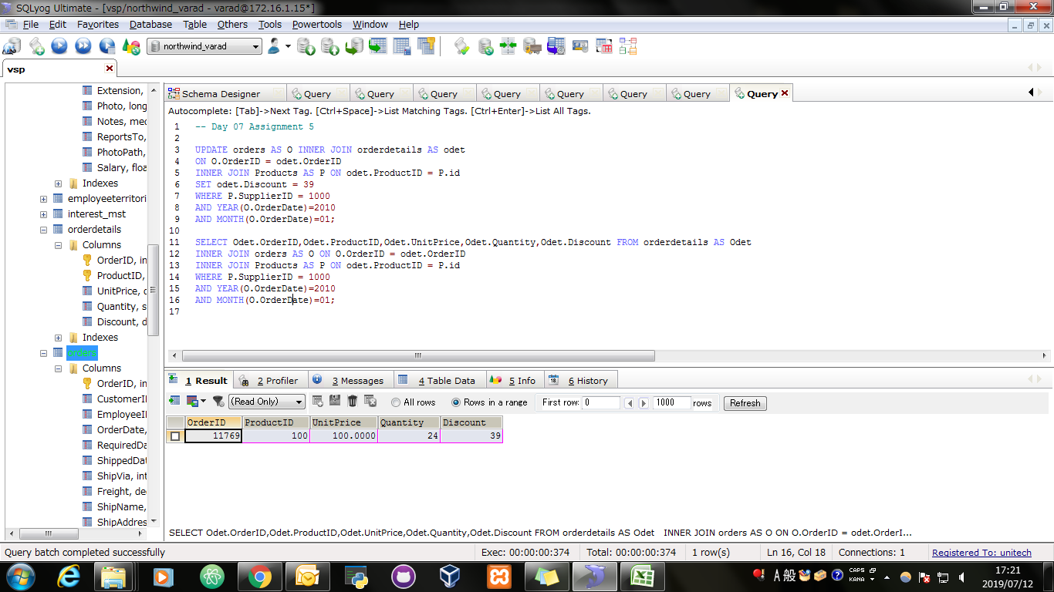
Screen Shoot:

assignment6
Assignment 6: | Remove order and its details for spcific supplier's one product.

Query: | SET FOREIGN_KEY_CHECKS=0; DELETE O FROM orders AS O INNER JOIN orderdetails AS odet ON O.OrderID = odet.OrderID INNER JOIN products AS P ON odet.ProductID = P.id WHERE P.SupplierID = 1000;

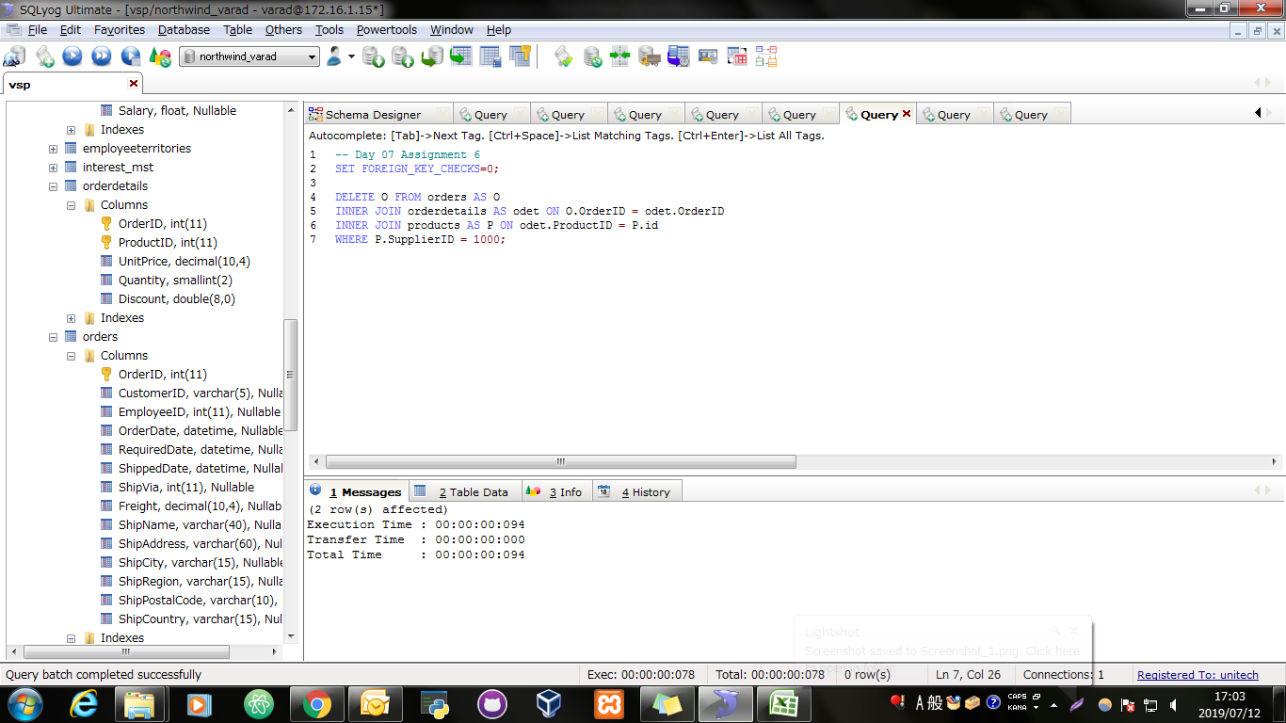
Screen Shoot:

